Preapring an Adjusted Trial bal
Accounting Cycle |  |  |  |  |  |  | Accounting Cycle |  |  |  | Accounting Cycle
Step 3 | Preparing an Unadjusted Trial Balance |  |  |  |  |  | Step: 4 Preparing Adjusting Entries |  |  |  | Step: 5 Preparing an Adjusted Trial Balance
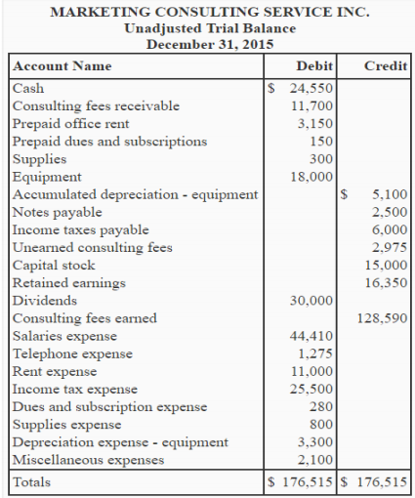
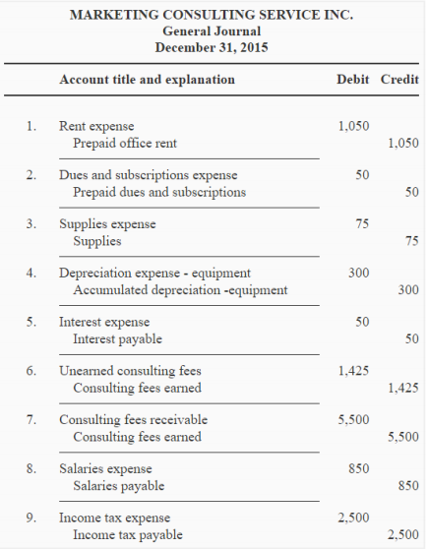
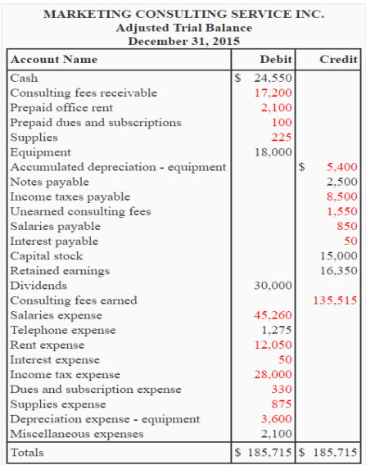

 | There are two methods of preparing an adjuted trial balance
 | 1 | Direct Method of Preparing an Adjusted Trial Balance:
 |  |  | Formula:
 |  |  | Unadusted Trial Balance (Dr. / Cr.) |  |  | PLUS/MINUS | Amount Reported Adjusting Entries (Dr./Cr) |  |  | Adusted Trial Balance
 |  |  | IF Credit |  |  | PLUS | IF credit |  |  | NormalBalance

 |  |  | IF Debit |  |  | PLUS | IF Debit |  |  | NormalBalance

 |  |  | IF Debit |  |  | Minus | IF Credit |  |  | NormalBalance

 |  |  | IF Credit |  |  | Minus | IF debit |  |  | NormalBalance

Above Example Solution |  |  |  | Amount reported in Unadjusted Trial Bal. |  |  |  | Amount reported in Adjusting Entries |  |  | Amount to be reported in Adjusted Trial balance
Adj. Enr |  |  |  | Amount | Dr./Cr. |  |  | Amount | Dr./Cr. |  | Amount | Dr./Cr.
1 | Rent Expense |  |  | $11,000 | Dr. |  | Plus | $1,050 | Dr. |  | $12,050 | Dr.
1 | Prepaid Office rent |  |  | 3150 | Dr. |  | minus | 1050 | Cr. |  | 2100 | Dr.
2 | Dues and Subscription Expense |  |  | 280 | Dr. |  | Plus | 50 | Dr. |  | 330 | Dr.
2 | Prepaid Dues and Subscription |  |  | 150 | Dr. |  | minus | 50 | Cr. |  | 100 | Dr.
3 | Supplies Exp |  |  | 800 | Dr. |  | Plus | 75 | Dr. |  | 875 | Dr.
3 | Supplies |  |  | 300 | Dr. |  | Minus | 75 | Cr. |  | 225 | Dr.
4 | Depreciation Expense-Equipment |  |  | 3300 | Dr. |  | Plus | 300 | Dr. |  | 3600 | Dr.
4 | Accumulated Depreciation-Equipment |  |  | 5100 | Cr. |  | Plus | 300 | Cr. |  | 5400 | Cr.
5 | Interest expense |  |  | 0 |  |  |  | 50 | Dr. |  | 50 | Dr.
5 | Interest Payable |  |  | 0 |  |  |  | 50 | Cr. |  | 50 | Cr.
6 | UnearnedConsulting Fee |  |  | 2975 | Cr. |  | Minus | 1425 | Dr. |  | 1550 | Cr.
6 | Consulting Fee Earned |  |  | 128590 | Cr. |  | Plus | 6925 | Cr. |  | 135515 | Cr.
7 | Consulting Fee Receivable |  |  | 11700 | Dr. |  | Plus | 5500 | Dr. |  | 17200 | Dr.
8 | Salaries Expense |  |  | 44410 | Dr. |  | Plus | 850 | Dr. |  | 45260 | Dr.
8 | Salaries Payable |  |  | 0 |  |  | Plus | 850 | Cr. |  | 850 | Cr.
9 | Income tax Expense |  |  | 25500 | Dr. |  | Plus | 2500 | Dr. |  | 28000 | Dr.
9 | Income tax Payable |  |  | 6000 | Cr. |  | Plus | 2500 | Cr. |  | 8500 | Cr.

 | 2 | Indirect Method of Preparing an adjusted trial balance:
 |  | This method is the same conventional method what we have gone through already in previous examples however its time consuming as compared to direct method.
 |  | In indirect method we are preparing an adjusted trial balance based on the following steps:

 |  | 1 | First the adjusting entries are prepared
 |  | 2 | The adjusting entries are then posted to the already existing ledger accounts, However if a ledger account is not present then a ledger account is created.
 |  | 3 | Subsequently, the end balances of the ledger accounts are transferred and an adjusted trial balance is prepared.

